azusa
# | Item Code | Description | image | PAR | SOBRA | ORDER | # | Item Code | Description | image | PAR | SOBRA | ORDER
1 | BCLCO | Coca-Cola (Coke) Classic, 5 gal Bag in a Box | 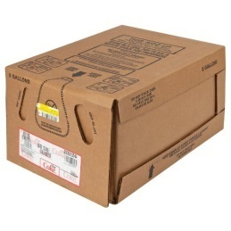 | 6 |  |  | 14 | 2HOHA | Cup Carrier with Handle, 2 Hole | 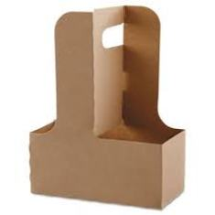 | 2
2 | BDICO | Diet Coke, 5 gal Bag in a Box | 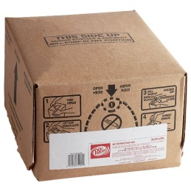 | 2 |  |  | 15 | 4HOHADO | Cup Carry Out Tray with Handle, Holds 4 Drinks | 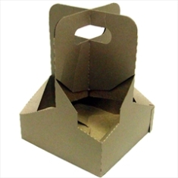 | 2
3 | BMMLE | Minute Maid Lemonade, 5 gal Bag in a Box |  | 2 |  |  | 16 | 501GE | Platinum I Dispenser Napkins, 1-Ply White, 7x13.5 para UBER | 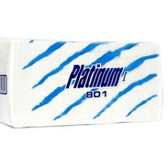 | 3
4 | BMMOR | Fanta Orange, 5 gal Bag in a Box | 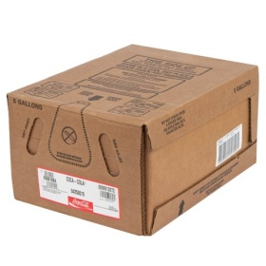 | 2 |  |  | 17 | DX900GE | Dispenser Napkin, 2-Ply White Interfold | 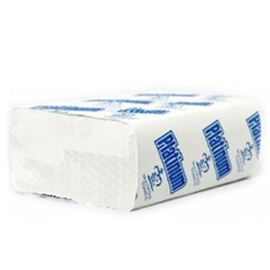 | 8
5 | BSPRI | Sprite, 5 gal Bag in a Box | 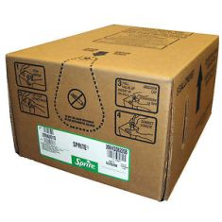 | 2 |  |  | 18 | MUFO | Platinum II Multifold Towels, 2-Ply White | 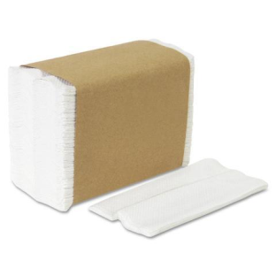 | 2
6 | BRATE | Fuze Raspberry Iced Tea, 5 gal Bag in a Box |  | 2 |  |  | 19 | EL1025RED | El Gavilan - Straw, 10.25" Wrapped, 24/300 | 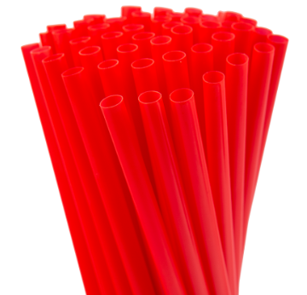 | 1
7 | BSTRA | Fanta Strawberry, 5 gal Bag in a Box |  | 2 |  |  | 20 | 1175YLPR | Primo - Wrapped Straw, 11.75" Yellow, 6/300 coun | 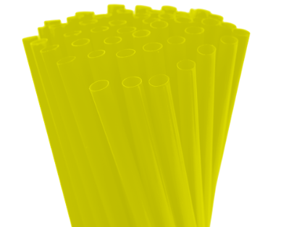 | 1
8 | BZECO | Coca-Cola - Coke Zero Sugar, 5 gal Bag in a Box |  | 2 |  |  | 21 | 6STIR | Unwrapped Stirrer, Sip & Stir Cocktail, 6.5" Red/White Striped |  | 1
9 | 10WRTO | Toothpicks, Plain Cello Wrapped | 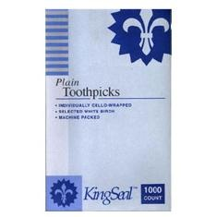 | 1 |  |  | 22 | 721PR | Primo - Foil Sheets, 12x10.75, 6/500 count | 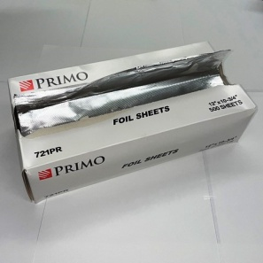 | 2
10 | 412W | Solo - Cup, 12 oz White Single Sided Poly Paper Hot Cup, 1000 count | 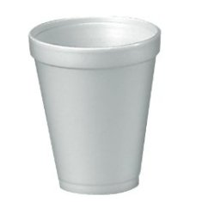 | 1 |  |  | 23 | 78 | Chix Pro-Quat Fresh Guy Towels, Heavy Duty Red 12.5x17 | 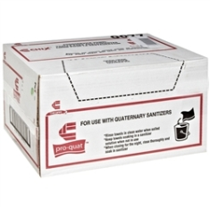 | 4
11 | 12PR | Karat - Cold Cup, 12 oz Clear PP Ribbed Plastic | 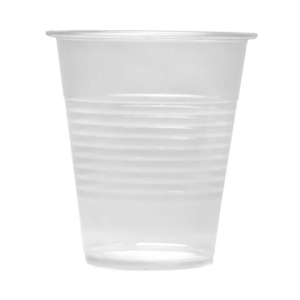 | 1 |  |  | 24 | 8R | Solo - Cup, 8 oz White Paper Cone/Water Refill | 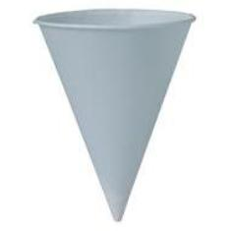 | 1
12 | 2BT1000 | Toilet Tissue Rolls, 2-Ply Jumbo Super Soft 9" | 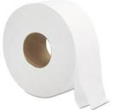 | 3 |  |  | 25 | CPLUG-OR | StixToGo - Hot Beverage Plug, Orange Plastic Circle | 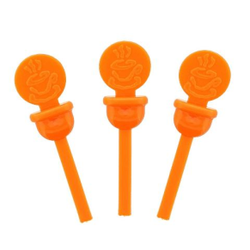 | 1
13 | GR800 | Allied West - Pacifica Universal Hardwound Roll Towels, 7.9"x800' White | 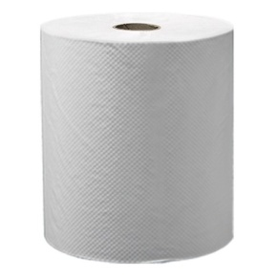 | 3 |  |  | 26 | CRCOMA | Nestle - Coffee-Mate Original Creamer | 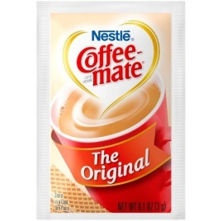 | 1
27 | EL1254 | El Gavilan - Wax Paper, 14x14, 4/1000 count | 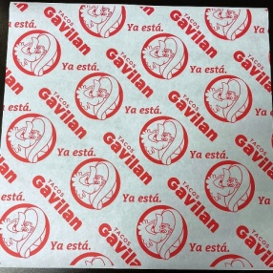 | 1 |  |  | 40 | ELMES2G | El Gavilan - Bag, 15x16+7 Seal2Go, 500 count | 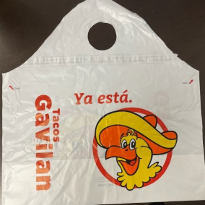 | 3
28 | EL4LID | El Gavilan - Flat Lid for 4 oz PP Container, 1000 count | 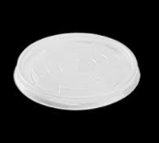 | 10 |  |  | 41 | EL1CS2G | El Gavilan - Bag, 7x15+2.5 Seal2Go, 500 count |  | 4
29 | EL4OZ | El Gavilan - Cup, 4 oz Paper, 1000 count | 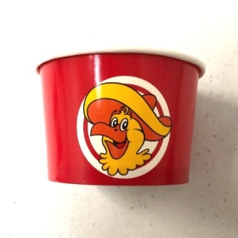 | 13 |  |  | 42 | EL2CS2G | El Gavilan - Bag, 14x15+2.5 Seal2Go, 250 count | 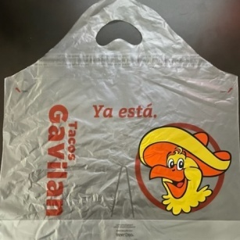 | 0
30 | EL8LID | Karat - Flat Lid, Fits 8 oz Food Container, Clear PP Plastic | 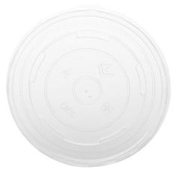 | 2 |  |  | 43 | ELTSBALA | El Gavilan - Bag, 12x6x19 Plastic, 2000 count T-SHIRT | 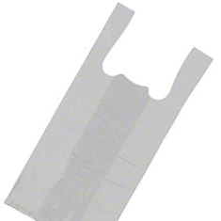 | 2
31 | EL8OZ | Karat - Hot/Cold Paper Food Container, 8 oz White |  | 2 |  |  | 44 | EP9PR | Primo - MFPP Plate, 9" 3/COMP Ivory, 500 count | 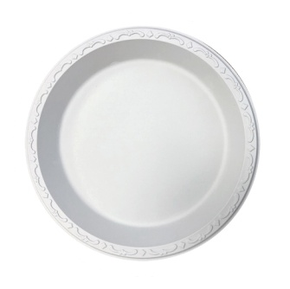 | 20
32 | ELDP22 | El Gavilan - Cup, 22 oz Paper, 1000 count | 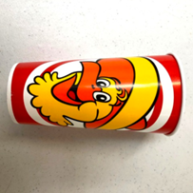  | 4 |  |  | 45 | BG6IN | Primo - Plate, 6" Round Bagasse, 1000 count |  | 1
33 | ELDP32 | El Gavilan - Cup, 32 oz Paper, 500 count |  | 4 |  |  | 46 | HEFO | Fork, Heavy White PP Plastic | 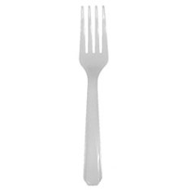 | 5
34 | ELSDR16 | El Gavilan - Cup, 16 oz Hot, 600 count | 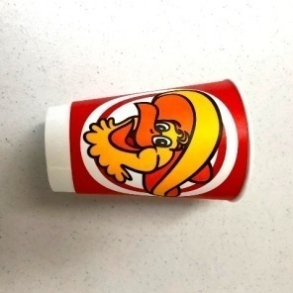 | 2 |  |  | 47 | HEKN | Knife, Heavy White PP Plastic | 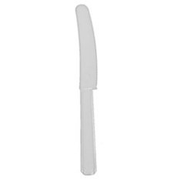 | 2
35 | L16KRT | Karat - Cold Cup Slot Flat Lid, Fits 12-22 oz | 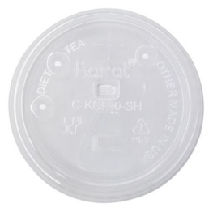 | 4 |  |  | 48 | HESP | Spoon, Heavy White PP Plastic | 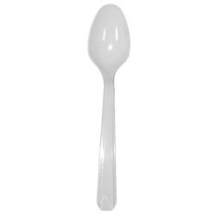 | 5
36 | L32KRT | Karat - Cold Cup Slot Flat Lid, Fits 32 oz | 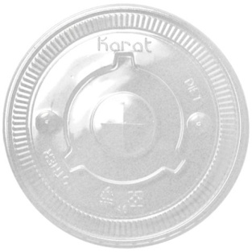 | 4 |  |  | 49 | WRHEFOBL | Fork, Heavy Black PS Plastic, Individually Wrapped, 1000 count | 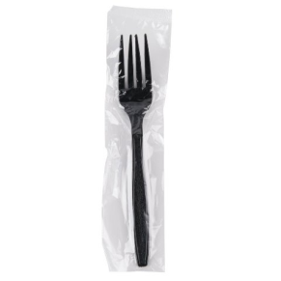 | 2
37 | HL1020PR | PRIMO - Sip Lid White, Fits 10-20 oz Cups | 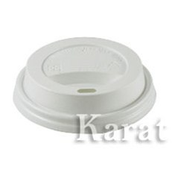 | 2 |  |  | 50 | WRHESPBL | Spoon, Wrapped Black Plastic, Extra Heavy | 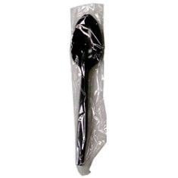 | 2
38 | ELGBEVTO | El Gavilan - Beverage Tote, 96 oz, 25 count | 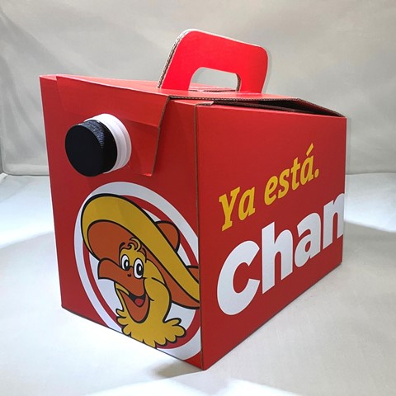 | 2 |  |  | 51 | UP918PR | Primo - Food Container, 16 oz Round Black Base with Clear Lid, 150 count | 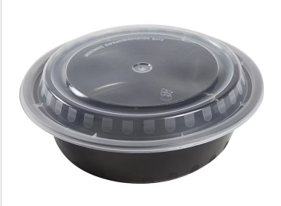 | 2
39 | ELLAS2G | El Gavilan - Bag, 21x19+10 Seal2Go, 250 count | 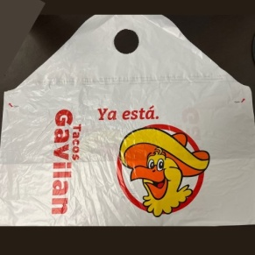 | 2 |  |  | 52 | 981BLKB | Container, 9x8 Black Base with 1 Compartment, 300 count |  | 3
53 | 983BLKB | Container, 9x8 Black Base with 3 Compartments, 300 count | 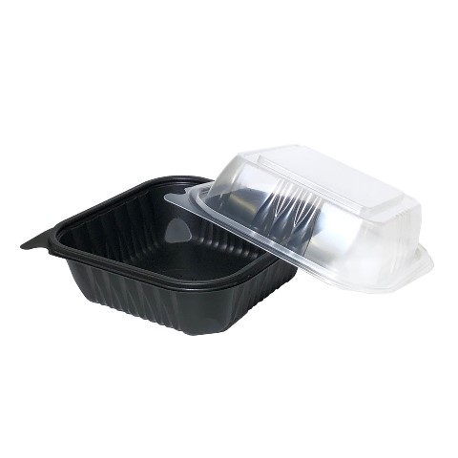 | 3 |  |  | 66 | RC1124 | Aluminum Steam Table - 1/3 Size Deep, 12.53x 6.5 | 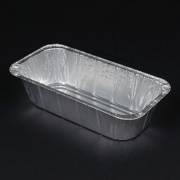 | 1
54 | 981LID | Lid for 9x8 Black Base 1 Compartment, 300 count | 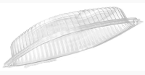 | 3 |  |  | 67 | RC1150 | Primo - Steam Table Pan, 1/2 Size Aluminum, 100 count | 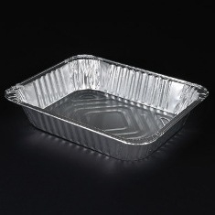 | 1
55 | 983LID | Lid for 9x8 Black Base 3 Compartment, 300 count |  | 3 |  |  | 68 | RC1174 | Primo - Steam Table Pan, Full Size Deep, 20.75x 12.8125 Aluminum, 50 count | 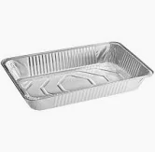 | 1
56 | 77PB | Poly Bag 7"x7" FLIPTOP | 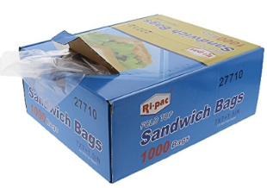 | 3 |  |  | 69 | 709DO | Lid, 9" Clear Plastic Round Dome Lid | 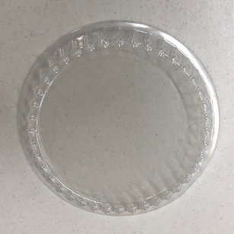 | 0
57 | PCNDLI | Liquid Creamer | 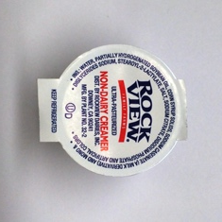 | 2 |  |  | 70 | RC478 | Aluminum Round Closeable Contain |  | 0
58 | PCSALT | Diamond Crystal - Salt Packets, 3000 count |  | 2 |  |  | 71 | RL940 | Aluminum Lid - Foil Lid 1/3 Size, 12.6875x6.5625 |  | 1
59 | PCSPDA | Splenda, Sweetener, Individual Packs |  | 1 |  |  | 72 | RL970 | Aluminum Lid - Foil Lid Half Size, 13x10.5625 |  | 1
60 | PCSUIN500 | Sugar in the Raw Packets |  | 1 |  |  | 73 | RL990 | Primo - Steam Table Pan Lid, Full Size Aluminum, 50 count |  | 1
61 | PFLAVI | Vinyl Gloves, Powder Free, Large |  | 3 |  |  | 74 | 10SPOON | Serving Spoon, 10" Black Plastic, 144 count |  | 1
62 | PFMEVI | Vinyl Gloves, Powder Free, Medium |  | 2 |  |  | 75 | TSCO | Toilet Seat Covers |  | 1
63 | PFXLVI | Vinyl Gloves, Powder Free, Extra Large |  | 6 |  |  | 76 | IC5GLIDI | Infinite Chemical - Super Green Pot n Pan Warewash Hand Detergent, 5 gal |  | 2
64 | PFLAVIBLK | Vinyl Gloves, Powder Free, Large Black, 10/100 |  | 2 |  |  | 77 | IC5SANI | Infinite Chemical - Sani-10% Quat Ammonium Disinfectant and Sanitizer, 5 gal |  | 2
65 | LDGLGE | Poly Gloves, Medium/Large Clear, 20/500 |  | 0 |  |  | 78 | 3BLEA | Restaurants Pride - Bleach |  | 1
79 | IC4FLCL | Infinite Chemical - Enzyme Floor Cleaner, 4/1 gal |  | 1 |  |  | 88
80 | IC4DEGR | Infinite Chemical - Degreaser, 4/1 gal |  | 1
81 | IC4DESC | Infinite Chemical - Lime Scale Cleaner, 4/1 gal |  | 1
82 | IC4DICL | Infinite Chemical - Sani-Clean Disinfectant, Lemon Scent, Red, 4/1 gal |  | 1
83 | IC4OVGR | OVER AND GRILL CLEANERS 1/4 |  | 1
84 | QT10 | Hydrion Sanitizer (Quat) Test Paper Roll |  | 1
85 | POURSC | Urinal Deodorizer Screen, Red, Spiced Apple Scent |  | 1
86 | AEASFR | Aerosol Fruit Scents, 7 oz Assorted |  | 1
87 | AEDISP | Misty Aerosol Dispenser |  | 1

BROADWAY
# | Item Code | Description | image | PAR | SOBRA | ORDER | # | Item Code | Description | image | PAR | SOBRA | ORDER
1 | BCLCO | Coca-Cola (Coke) Classic, 5 gal Bag in a Box |  | 5 |  |  | 14 | 2HOHA | Cup Carrier with Handle, 2 Hole |  | 2
2 | BDICO | Diet Coke, 5 gal Bag in a Box |  | 2 |  |  | 15 | 4HOHADO | Cup Carry Out Tray with Handle, Holds 4 Drinks |  | 2
3 | BMMLE | Minute Maid Lemonade, 5 gal Bag in a Box |  | 2 |  |  | 16 | 501GE | Platinum I Dispenser Napkins, 1-Ply White, 7x13.5 |  | 2
4 | BMMOR | Fanta Orange, 5 gal Bag in a Box |  | 2 |  |  | 17 | DX900GE | Dispenser Napkin, 2-Ply White Interfold |  | 3
5 | BSPRI | Sprite, 5 gal Bag in a Box |  | 2 |  |  | 18 | MUFO | Platinum II Multifold Towels, 2-Ply White |  | 9
6 | BRATE | Fuze Raspberry Iced Tea, 5 gal Bag in a Box |  | 2 |  |  | 19 | EL1025RED | El Gavilan - Straw, 10.25" Wrapped, 24/300 |  | 1
7 | BSTRA | Fanta Strawberry, 5 gal Bag in a Box |  | 2 |  |  | 20 | 1175YLPR | Primo - Wrapped Straw, 11.75" Yellow, 6/300 coun |  | 1
8 | BZECO | Coca-Cola - Coke Zero Sugar, 5 gal Bag in a Box |  | 1 |  |  | 21 | 6STIR | Unwrapped Stirrer, Sip & Stir Cocktail, 6.5" Red/White Striped |  | 1
9 | 10WRTO | Toothpicks, Plain Cello Wrapped |  | 1 |  |  | 22 | 721PR | Primo - Foil Sheets, 12x10.75, 6/500 count |  | 3
10 | 412W | Solo - Cup, 12 oz White Single Sided Poly Paper Hot Cup, 1000 count |  | 1 |  |  | 23 | 78 | Chix Pro-Quat Fresh Guy Towels, Heavy Duty Red 12.5x17 |  | 2
11 | 12PR | Karat - Cold Cup, 12 oz Clear PP Ribbed Plastic |  | 1 |  |  | 24 | 8R | Solo - Cup, 8 oz White Paper Cone/Water Refill |  | 1
12 | 2BT1000 | Toilet Tissue Rolls, 2-Ply Jumbo Super Soft 9" |  | 5 |  |  | 25 | CPLUG-OR | StixToGo - Hot Beverage Plug, Orange Plastic Circle |  | 1
13 | GR800 | Allied West - Pacifica Universal Hardwound Roll Towels, 7.9"x800' White |  | 5 |  |  | 26 | CRCOMA | Nestle - Coffee-Mate Original Creamer |  | 1
27 | EL1254 | El Gavilan - Wax Paper, 14x14, 4/1000 count |  | 1 |  |  | 40 | ELMES2G | El Gavilan - Bag, 15x16+7 Seal2Go, 500 count |  | 3
28 | EL4LID | El Gavilan - Flat Lid for 4 oz PP Container, 1000 count |  | 8 |  |  | 41 | EL1CS2G | El Gavilan - Bag, 7x15+2.5 Seal2Go, 500 count |  | 4
29 | EL4OZ | El Gavilan - Cup, 4 oz Paper, 1000 count |  | 13 |  |  | 43 | ELTSBALA | El Gavilan - Bag, 12x6x19 Plastic, 2000 count T-SHIRT |  | 3
30 | EL8LID | Karat - Flat Lid, Fits 8 oz Food Container, Clear PP Plastic |  | 1 |  |  | 44 | EP9PR | Primo - MFPP Plate, 9" 3/COMP Ivory, 500 count |  | 20
31 | EL8OZ | Karat - Hot/Cold Paper Food Container, 8 oz White |  | 1 |  |  | 45 | BG6IN | Primo - Plate, 6" Round Bagasse, 1000 count |  | 1
32 | ELDP22 | El Gavilan - Cup, 22 oz Paper, 1000 count |  | 5 |  |  | 46 | HEFO | Fork, Heavy White PP Plastic |  | 3
33 | ELDP32 | El Gavilan - Cup, 32 oz Paper, 500 count |  | 3 |  |  | 47 | HEKN | Knife, Heavy White PP Plastic |  | 1
34 | ELSDR16 | El Gavilan - Cup, 16 oz Hot, 600 count |  | 3 |  |  | 48 | HESP | Spoon, Heavy White PP Plastic |  | 3
35 | L16KRT | Karat - Cold Cup Slot Flat Lid, Fits 12-22 oz |  | 5 |  |  | 49 | WRHEFOBL | Fork, Heavy Black PS Plastic, Individually Wrapped, 1000 count |  | 3
36 | L32KRT | Karat - Cold Cup Slot Flat Lid, Fits 32 oz |  | 3 |  |  | 50 | WRHESPBL | Spoon, Wrapped Black Plastic, Extra Heavy |  | 4
37 | HL1020PR | PRIMO - Sip Lid White, Fits 10-20 oz Cups |  | 2 |  |  | 51 | UP918PR | Primo - Food Container, 16 oz Round Black Base with Clear Lid, 150 count |  | 2
38 | ELGBEVTO | El Gavilan - Beverage Tote, 96 oz, 25 count |  | 1 |  |  | 52 | 981BLKB | Container, 9x8 Black Base with 1 Compartment, 300 count |  | 3
39 | ELLAS2G | El Gavilan - Bag, 21x19+10 Seal2Go, 250 count |  | 2 |  |  | 66 | RC1124 | Aluminum Steam Table - 1/3 Size Deep, 12.53x 6.5 |  | 1
53 |  | Lid for 9x8 Black Base 1 Compartment, 300 count |  | 3 |  |  | 67 | RC1150 | Primo - Steam Table Pan, 1/2 Size Aluminum, 100 count |  | 1
54 | 983BLKB | Container, 9x8 Black Base with 3 Compartment, 300 count |  | 4 |  |  | 68 | RC1174 | Primo - Steam Table Pan, Full Size Deep, 20.75x 12.8125 Aluminum, 50 count |  | 1
55 | 983LID | Lid for 9x8 Black Base 3 Compartment, 300 count |  | 3 |  |  | 69 | 709DO | Lid, 9" Clear Plastic Round Dome Lid
56 | 77PB | Poly Bag 7"x7" FLIPTOP |  | 3 |  |  | 70 | RC478 | Aluminum Round Closeable Contain
57 | PCNDLI | Liquid Creamer |  | 4 |  |  | 71 | RL940 | Aluminum Lid - Foil Lid 1/3 Size, 12.6875x6.5625 |  | 1
58 | PCSALT | Diamond Crystal - Salt Packets, 3000 count |  | 2 |  |  | 72 | RL970 | Aluminum Lid - Foil Lid Half Size, 13x10.5625 |  | 1
59 | PCSPDA | Splenda, Sweetener, Individual Packs |  | 1 |  |  | 73 | RL990 | Primo - Steam Table Pan Lid, Full Size Aluminum, 50 count |  | 1
60 | PCSUIN500 | Sugar in the Raw Packets |  | 2 |  |  | 74 | 10SPOON | Serving Spoon, 10" Black Plastic, 144 count |  | 1
61 | PFLAVI | Vinyl Gloves, Powder Free, Large |  | 4 |  |  | 76 | IC5GLIDI | Infinite Chemical - Super Green Pot n Pan Warewash Hand Detergent, 5 gal |  | 2
62 | PFMEVI | Vinyl Gloves, Powder Free, Medium |  | 1 |  |  | 77 | IC5SANI | Infinite Chemical - Sani-10% Quat Ammonium Disinfectant and Sanitizer, 5 gal |  | 1
63 | PFXLVI | Vinyl Gloves, Powder Free, Extra Large |  | 3 |  |  | 78 | 3BLEA | Restaurants Pride - Bleach |  | 2
64 | PFLAVIBLK | Vinyl Gloves, Powder Free, Large Black, 10/100 |  | 2 |  |  | 87 | IC4FLCL | Infinite Chemical - Enzyme Floor Cleaner, 4/1 gal |  | 1
65 | LDGLGE | Poly Gloves, Medium/Large Clear, 20/500 |  | 1
80 | IC4DESC | Infinite Chemical - Lime Scale Cleaner, 4/1 gal |  | 1
81 | IC4DICL | Infinite Chemical - Sani-Clean Disinfectant, Lemon Scent, Red, 4/1 gal |  | 1
82 | IC4OVGR | OVER AND GRILL CLEANERS 1/4 |  | 1
83 | QT10 | Hydrion Sanitizer (Quat) Test Paper Roll |  | 1
84 | POURSC | Urinal Deodorizer Screen, Red, Spiced Apple Scent |  | 1
85 | AEASFR | Aerosol Fruit Scents, 7 oz Assorted |  | 1
86 | AEDISP | Misty Aerosol Dispenser |  | 1

